Sheet1
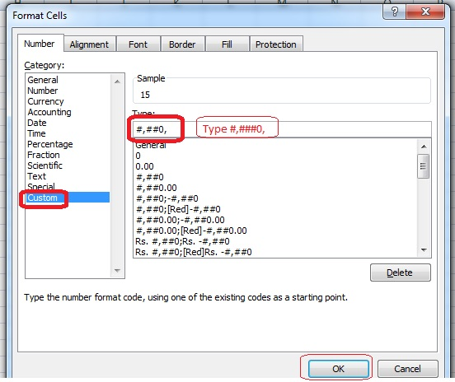
Convert number in Thousand unit value without Formula

 | Amt Rs. | Rs. In thousand
 | 15000 | 15
 | 17000 | 17
 | 19500 | 20
 | 19640 | 20
 | 105320 | 105
 | 10670 | 11
 | 187130 | 187

How to convert number in Thousand unit Value
Step1: Select the cells you want to get the number in thousand unit value
Step2: Right click on the cells --> Select format Cells
Step3: Select "Custom" cateogy in "Number"
Step4: Type"#,##0," in "Type" section and click on "OK"

